Help
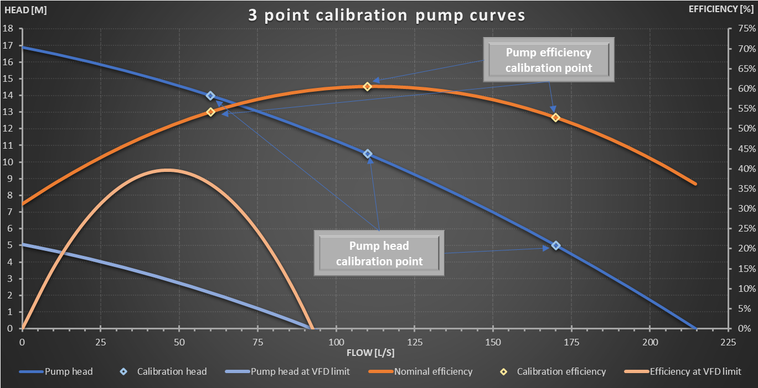
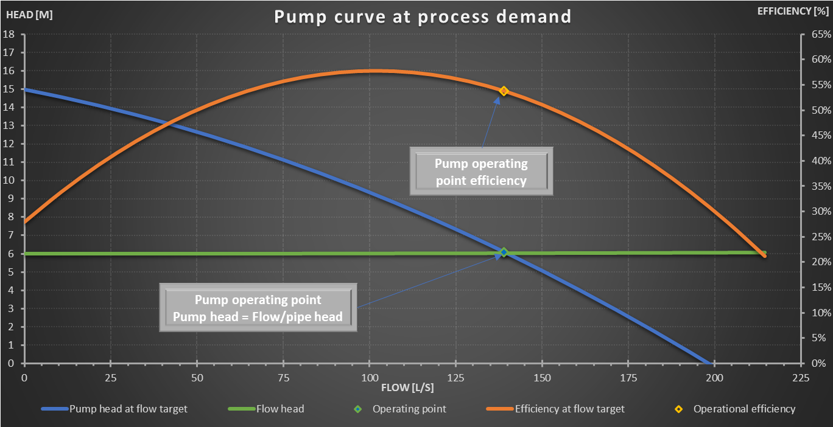
Tools provided for pump curve parameters calculation
Pump curve generator
 | Based on the flow requirement a proper pump curve can be generated and used for energy demand prediction
 | Default solution, provides dataset for 3 pump size

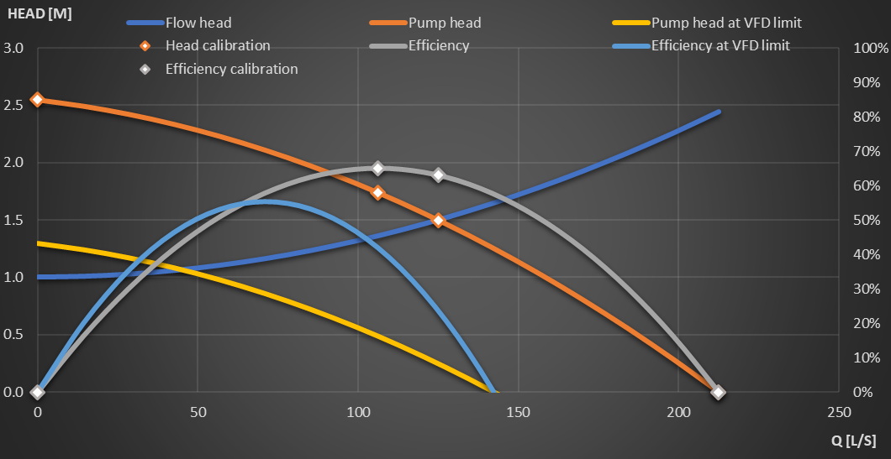
Pump operating point
Pump head = Flow/pipe head

Pump curve calibration
 | Based on pump datasheet a real pump curve can be used for energy demand calculation |  | Based on the design flow demand from the process model, the actual pump curve coefficients will be calculated
 | 1. | At least 3 known working point is needed at maximum frequency/rpm | The flow head is calculated in the pipe following the pump in the process model (diameter, length, roughness, etc. needed)
 | 2. | VFD low limit frequency is needed
 | Pump curve is based on parabolic equations
 | VFD is estimated based on curve shifting

Curve generation
 | Flow head |  | Pump head |  | Pump head at VFD limit |  | Head calibration |  | Efficiency |  | Efficiency at VFD limit |  | Efficiency calibration
0.0 | 6.000 | 0.0 | 10.370 | 0.0 | 4.416 | 0.0 | 10.37 | 0.0 | 0% | 0.0 | 0% | 0.0 | 0.0%
31.5 | 6.001 | 31.5 | 10.149 | 31.5 | 4.195 | 277.8 | 6.10 | 31.5 | 16% | 31.5 | 22% | 277.8 | 63.0%
63.0 | 6.005 | 63.0 | 9.860 | 63.0 | 3.906 | 472.2 | 0.00 | 63.0 | 30% | 63.0 | 38% | 472.2 | 0.0%
94.4 | 6.012 | 94.4 | 9.505 | 94.4 | 3.551 | 236.1 | 7.07 | 94.4 | 42% | 94.4 | 49% | 236.1 | 65.0%
125.9 | 6.021 | 125.9 | 9.082 | 125.9 | 3.128 |  |  | 125.9 | 51% | 125.9 | 55%
157.4 | 6.032 | 157.4 | 8.592 | 157.4 | 2.638 |  |  | 157.4 | 58% | 157.4 | 55%
188.9 | 6.046 | 188.9 | 8.035 | 188.9 | 2.081 |  |  | 188.9 | 62% | 188.9 | 49%
220.4 | 6.063 | 220.4 | 7.411 | 220.4 | 1.457 |  |  | 220.4 | 65% | 220.4 | 38%
251.9 | 6.082 | 251.9 | 6.720 | 251.9 | 0.766 |  |  | 251.9 | 65% | 251.9 | 22%
283.3 | 6.104 | 283.3 | 5.961 | 283.3 | 0.007 |  |  | 283.3 | 62% | 283.3 | 0%
314.8 | 6.128 | 314.8 | 5.136 | 314.8 | -0.818 |  |  | 314.8 | 58% | 314.8 | -27%
346.3 | 6.155 | 346.3 | 4.243 | 346.3 | -1.711 |  |  | 346.3 | 51% | 346.3 | -60%
377.8 | 6.185 | 377.8 | 3.283 | 377.8 | -2.671 |  |  | 377.8 | 42% | 377.8 | -98%
409.3 | 6.217 | 409.3 | 2.256 | 409.3 | -3.698 |  |  | 409.3 | 30% | 409.3 | -141%
440.7 | 6.252 | 440.7 | 1.161 | 440.7 | -4.793 |  |  | 440.7 | 16% | 440.7 | -190%
472.2 | 6.289 | 472.2 | 0.000 | 472.2 | -5.954 |  |  | 472.2 | 0% | 472.2 | -245%
Input parameters |  | Small | Medium | Large |  |  | Flow [l/s] | Geometric/Static head | Dynamic head | Flow head | Pump head | Pump head at VFD limit | Efficiency | Efficiency at VFD limit | Power demand
Name | Symbol | Value | Value | Value | Unit | Comment | 0 | 6.000 | 0.000 | 6.000 | 10.370 | 4.416 | 0% | 0% | -
Target pumped flow from process model | Qpumped,target | 24000.0 | 48000.0 | 96000.0 | m3/d |  | 31.5 | 6.000 | 0.001 | 6.001 | 10.149 | 4.195 | 16% | 22% | 19.374
Geometric/Static head | Δhgeom | 6.0 | 8.0 | 10.0 | m |  | 63.0 | 6.000 | 0.005 | 6.005 | 9.860 | 3.906 | 30% | 38% | 20.271
Pipe dynamic head | dhl | 0.1 | 0.1 | 0.1 | m |  | 94.4 | 6.000 | 0.012 | 6.012 | 9.505 | 3.551 | 42% | 49% | 21.169
Required pump head | hloss,pump | 6.1 | 8.1 | 10.1 | m |  | 125.9 | 6.000 | 0.021 | 6.021 | 9.082 | 3.128 | 51% | 55% | 22.066
Installed pumps | ninstalled | 2 | 2 | 2 | pc |  | 157.4 | 6.000 | 0.032 | 6.032 | 8.592 | 2.638 | 58% | 55% | 22.964
Spare/Idle pumps from installed | nspare | 1 | 1 | 1 | pc |  | 188.9 | 6.000 | 0.046 | 6.046 | 8.035 | 2.081 | 62% | 49% | 23.861
Pump max efficiency | hmax | 65% | 65% | 65% | - |  | 220.4 | 6.000 | 0.063 | 6.063 | 7.411 | 1.457 | 65% | 38% | 24.759
Pump head capacity buffer | fhead | 70% | 70% | 70% | - |  | 251.9 | 6.000 | 0.082 | 6.082 | 6.720 | 0.766 | 65% | 22% | 25.656
Pump flow capacity buffer | fflow | 70% | 70% | 70% | - |  | 283.3 | 6.000 | 0.104 | 6.104 | 5.961 | 0.007 | 62% | 0% | 26.553
Turndown limit of Variable Frequency Drive | fVFD,limit | 70% | 60% | 60% | - |  | 314.8 | 6.000 | 0.128 | 6.128 | 5.136 | -0.818 | 58% | -27% | 27.451
Efficiency loss at Variable Frequency Drive | hVFD | 15% | 15% | 15% | - |  | 346.3 | 6.000 | 0.155 | 6.155 | 4.243 | -1.711 | 51% | -60% | 28.348
Sensitivity of Variable Frequency Drive | fsens,VFD | 80% | 80% | 80% | - |  | 377.8 | 6.000 | 0.185 | 6.185 | 3.283 | -2.671 | 42% | -98% | 29.246
 |  |  |  |  |  |  | 409.3 | 6.000 | 0.217 | 6.217 | 2.256 | -3.698 | 30% | -141% | 30.143
Pump curve parameters and specification |  |  |  |  |  |  | 440.7 | 6.000 | 0.252 | 6.252 | 1.161 | -4.793 | 16% | -190% | 31.041
 |  |  |  |  |  |  | 472.2 | 6.000 | 0.289 | 6.289 | 0.000 | -5.954 | 0% | -245% | -
Pump curve calibration parameters |  | Small | Medium | Large
Name | Symbol | Value | Value | Value | Unit | Comment
Flow demand per pump | Qpump,pc | 277.8 | 555.6 | 1111.1 | l/s | Only active considered
Pump efficiency at flow demand | hactual | 63.0% | 63.0% | 63.0% | -
Power demand of pump at flow demand | Pel,pump | 26.40 | 70.10 | 174.81 | kW

Pump maximum flow at minimum head | Qmax | 472.2 | 944.4 | 1888.9 | l/s
Variable Frequency Drive sensitivity | fsens,VFD | 80% | 80% | 80% | -

Pump parameters at maximum head, thus zero flow
Minimum flow | Qmin | 0.0 | 0.0 | 0.0 | l/s
Head at minimum flow | hmax | 10.37 | 13.77 | 17.17 | m
Efficiency at maximum head, minimum flow | hhmax | 0.0% | 0.0% | 0.0% | -
Pump parameters at operating point
Flow rate at operating point | Qop | 277.8 | 555.6 | 1,111.1 | l/s
Parabola parameter calculation
$$a_{head,Q}=\frac{h_{min}−h_{max}}{\left(Q_{max}−Q_{min}\right)×\left(Q_{max}−Q_{wp}\right)}−\frac{h_{wp}−h_{max}}{\left(Q_{max}−Q_{min}\right)×\left(Q_{max}−Q_{wp}\right)}$$
$$b_{head,Q}=\frac{h_{wp}−h_{max}}{\left(Q_{wp}−Q_{min}\right)}−\left(Q_{wp}−Q_{min}\right)×a_{head,Q}$$
$$c_{head,Q}=h_{max}−Q_{min}^{2}×a_{head,Q}−Q_{min}×b_{head,Q}$$
Head at operating point | hop | 6.10 | 8.10 | 10.10 | m
Efficiency at operating point | hhop | 63.0% | 63.0% | 63.0% | -
Pump parameters at maximum flow, zero head
Flow rate at maximum flow, minimum head | Qmax | 472.2 | 944.4 | 1,888.9 | l/s
Minimum head | hmin | 0.00 | 0.00 | 0.00 | m
Efficiency at maximum flow, minimum head | hhmin | 0.0% | 0.0% | 0.0% | -
Pump parameters at maximum efficiency
Flow rate at maximum efficiency | Qhmax | 236.1 | 472.2 | 944.4 | l/s
Head at maximum efficiency | hhmax | 7.07 | 9.39 | 11.71 | m
Maximum efficiency | hmax | 65.0% | 65.0% | 65.0% | -

Pump curve parameters based on the 3 datapoint for headloss |  | Small | Medium | Large | h = ah,Q * Qpump2 + bh,Q * Qpump + ch,Q
Name | Symbol | Value | Value | Value | Unit | Comment
Calibration headloss curve coefficient a | ah,Q | -3.4E-05 | -1.1E-05 | -3.5E-06 | -
Calibration headloss curve coefficient b | bh,Q | -6.0E-03 | -4.0E-03 | -2.5E-03 | -
Calibration headloss curve intercept | ch,Q | 10.37 | 13.77 | 17.17 | -
Headloss curve turning point flow rate | Qtp | -87.96 | -175.93 | -351.85 | l/s
Headloss curve turning point headloss | hmax | 10.63 | 14.12 | 17.60 | m

Pump curve parameters based on the 3 datapoint for efficiency |  | Small | Medium | Large | h = ah,Q * Qpump2 + bh,Q * Qpump + ch,Q
Name | Symbol | Value | Value | Value | Unit | Comment
Calibration efficiency curve coefficient a | ah,Q | -1.2E-05 | -2.9E-06 | -7.3E-07 | -
Calibration efficiency curve coefficient b | bh,Q | 5.5E-03 | 2.8E-03 | 1.4E-03 | -
Calibration efficiency curve intercept | ch,Q | 0.0E+00 | 0.0E+00 | 0.0E+00 | -
Flow rate at maximum efficiency | Qhmax | 236.11 | 472.22 | 944.44 | l/s
Efficiency curve turning point: max efficiency | ηmax | 65.0% | 65.0% | 65.0% | -

VFD curve calibration parameters |  | Small | Medium | Large
Name | Symbol | Value | Value | Value | Unit | Comment
VFD parameters at max head, zero flow
Minimum flow with Variable Frequency Drive | Qmin,VFD | 0.0 | 0.0 | 0.0 | l/s
Efficiency at maximum head, minimum flow with Variable Frequency Drive | hhmax,VFD | 0.0% | 0.0% | 0.0% | -
VFD parameters at max efficiency
Flow rate with Variable Frequency Drive at maximum efficiency | Qhmax,VFD | 141.8 | 316.0 | 632.0 | l/s
Maximum efficiency with Variable Frequency Drive | hmax,VFD | 55.3% | 55.3% | 55.3% | -
VFD parameters at max flow, zero head
Flow rate at VFD turndown limit at maximum flow, minimum head | Qmax,VFD | 283.6 | 632.0 | 1,264.0 | l/s
Efficiency at VFD turndown limit at maximum flow, minimum head | hhmax,VFD | 0.0% | 0.0% | 0.0% | -

Pump curve parameters for efficiency at VFD limit |  | Small | Medium | Large | h = ah,Q,VFD * Qpump2 + bh,Q,VFD * Qpump + ch,Q,VFD
Name | Symbol | Value | Value | Value | Unit | Comment
Calibration efficiency curve coefficient a at VFD limit | ah,Q,VFD | -2.7E-05 | -5.5E-06 | -1.4E-06 | -
Calibration efficiency curve coefficient b at VFD limit | bh,Q,VFD | 7.8E-03 | 3.5E-03 | 1.7E-03 | -
Calibration efficiency curve intercept at VFD limit | ch,Q,VFD | 0.00 | 0.00 | 0.00 | -

Pumpcalibration
Pump operation range
Efficiency under VFD
 | Peak |  | Pneumatic |  | Motor |  | Inverter |  | Half value |  | Extrapolation: Pneumatic |  | Extrapolation: Motor |  | Extrapolation: Inverter
100% | 71% | 40% | 62% | 40% | 89% | 40% | 84% | 10% | 39% | 10% | 39% | 5% | 50% | 5% | 47%
100% | 95% | 52% | 65% | 52% | 91% | 52% | 86% | 5% | 50% | 40% | 62% | 40% | 89% | 40% | 84%
100% | 90% | 64% | 67% | 64% | 93% | 64% | 88% | 5% | 47%
 |  | 76% | 69% | 76% | 94% | 76% | 89%
 |  | 88% | 70% | 88% | 94% | 88% | 89%
 |  | 100% | 71% | 100% | 95% | 100% | 90%
Input parameters
Name | Symbol | Value | Unit | Comment |  |  | The entry of 3 points (Qi, Hi) is always required (*) in order to produce a nominal pump characteristic.
Target pumped flow from process model | Qpumped,target | 24,000 | m3/d |  |  |  | For the 3 points, efficiencies can also be calibrated in to approximate an efficiency index - this results in the respective performance (**)
Geometric/Static head | Δhgeom | 6.0 | m
Pipe dynamic head | dhl | 0.1 | m |  |  |  | * A default line could be constructed at a desired operating point with known (Q1, H1) and standardized curves (default values for A and B).
Required pump head | hloss,pump | 6.1 | m | Required pump head at target flow
Installed pumps | ninstalled | 3 | pc |  |  |  | ** Alternatively, an efficiency curve can be constructed using a constant known electrical power. (Default values for eta)
Spare/Idle pumps from installed | nspare | 1 | pc | Spare pump to be used in case of failure
Target pumped flow per pump | Qpumped,target | 138.89 | l/s | Only active considered |  |  |  | Flow [l/s] | Geometric/Static head | Dynamic head | Flow head | Pump head | Nominal efficiency | Pump head at VFD limit | Efficiency at VFD limit | Pump head at flow target | Efficiency at flow target | Power demand at flow target
 |  |  |  |  |  |  |  | 0 | 6.00 | 0.00 | 6.00 | 16.9 | 31.2% | 6.8 | 0% | 15.0 | 27.9% | 0.0
Pump curve parameters and specification |  |  |  |  |  |  |  | 10.7 | 6.00 | 0.00 | 6.00 | 16.5 | 36.6% | 6.3 | 16% | 14.6 | 33.9% | 5.1
 |  |  |  |  |  |  |  | 21.5 | 6.00 | 0.00 | 6.00 | 16.0 | 41.4% | 5.9 | 28% | 14.1 | 39.2% | 8.6
Pump curve calibration parameters for 3 point |  |  |  |  |  |  |  | 32.2 | 6.00 | 0.00 | 6.00 | 15.5 | 45.6% | 5.4 | 37% | 13.6 | 43.8% | 11.2
Name | Symbol | Value at 1st | Value at 2nd | Value at 3rd | Unit | Comment |  | 42.9 | 6.00 | 0.00 | 6.00 | 15.0 | 49.4% | 4.8 | 43% | 13.0 | 47.8% | 13.2
Flow at the calibration points | Qcal,i | 60 | 110 | 170 | l/s |  |  | 53.6 | 6.00 | 0.00 | 6.00 | 14.4 | 52.6% | 4.2 | 46% | 12.4 | 51.1% | 14.8
Actual pump curves
 | Power demand at flow target
0.0 | 0.0
10.7 | 5.1
21.5 | 8.6
32.2 | 11.2
42.9 | 13.2
53.6 | 14.8
64.4 | 16.1
75.1 | 17.2
85.8 | 18.2
96.5 | 18.9
107.3 | 19.5
118.0 | 20.0
128.7 | 20.3
139.5 | 20.3
150.2 | 20.1
160.9 | 19.6
171.6 | 18.6
182.4 | 16.9
193.1 | 14.1
203.8 | 0.0
214.5 | 0.0
Head at the calibration points | hcal,i | 14.00 | 10.50 | 5.00 | m |  |  | 64.4 | 6.00 | 0.01 | 6.01 | 13.7 | 55.2% | 3.6 | 45% | 11.8 | 53.8% | 16.1
Total efficiency at the calibration points | htotal,i | 54.2% | 60.5% | 52.8% | - |  |  | 75.1 | 6.00 | 0.01 | 6.01 | 13.0 | 57.3% | 2.9 | 42% | 11.1 | 55.7% | 17.2
Pumping power demand at the calibration points | Pel,pneu,i | 13.00 | 16.00 | 13.50 | kW |  |  | 85.8 | 6.00 | 0.01 | 6.01 | 12.3 | 58.9% | 2.2 | 35% | 10.4 | 57.1% | 18.2
Motor power demand at the calibration points | Pel,motor,i | 13.68 | 16.84 | 14.21 | kW |  |  | 96.5 | 6.00 | 0.01 | 6.01 | 11.5 | 60.0% | 1.4 | 24% | 9.6 | 57.7% | 18.9
Inverter power demand at the calibration points | Pel,inverter,i | 15.20 | 18.71 | 15.79 | kW |  |  | 107.3 | 6.00 | 0.01 | 6.01 | 10.7 | 60.5% | 0.6 | 11% | 8.8 | 57.7% | 19.5
Pump efficiency at the calibration points | hpumping,i | 63.4% | 70.8% | 61.8% | - |  |  | 118.0 | 6.00 | 0.02 | 6.02 | 9.8 | 60.5% | -0.3 | -6% | 7.9 | 57.0% | 20.0
 |  |  |  |  |  |  |  | 128.7 | 6.00 | 0.02 | 6.02 | 8.9 | 59.9% | -1.2 | -26% | 7.0 | 55.7% | 20.3
Calibration parameters for the 3 point |  |  |  |  |  |  |  | 139.5 | 6.00 | 0.03 | 6.03 | 8.0 | 58.8% | -2.2 | -49% | 6.0 | 53.7% | 20.3
Name | Symbol | Value | Unit | Comment |  |  |  | 150.2 | 6.00 | 0.03 | 6.03 | 7.0 | 57.2% | -3.2 | -75% | 5.0 | 51.1% | 20.1
VFD frequency at datapoints | ncalibration | 100% | - |  |  |  |  | 160.9 | 6.00 | 0.03 | 6.03 | 5.9 | 55.1% | -4.2 | -105% | 4.0 | 47.7% | 19.6
Viscosity correction | fviscosity | 0.00 | - |  |  |  |  | 171.6 | 6.00 | 0.04 | 6.04 | 4.8 | 52.4% | -5.3 | -138% | 2.9 | 43.7% | 18.6
Degradation correction | fdegradation | 0.00 | - |  |  |  |  | 182.4 | 6.00 | 0.04 | 6.04 | 3.7 | 49.1% | -6.4 | -174% | 1.8 | 39.1% | 16.9
Inverter efficiency | ηel,inverter | 90% | - |  |  |  |  | 193.1 | 6.00 | 0.05 | 6.05 | 2.5 | 45.4% | -7.6 | -213% | 0.6 | 33.8% | 14.1
Motor efficiency | ηel,motor | 95% | - |  |  |  |  | 203.8 | 6.00 | 0.05 | 6.05 | 1.3 | 41.1% | -8.9 | -256% | -0.7 | 27.8%
VFD power loss correction at inverter | ηel,VFD,inverter | 5% | - |  |  |  |  | 214.5 | 6.00 | 0.06 | 6.06 | 0.0 | 36.2% | -10.1 | -302% | -1.9 | 21.1%
VFD power loss correction at motor | ηel,VFD,motor | 5% | -
VFD power loss correction at pumping | ηel,VFD,pumping | 10% | - |  |  |  |  |  |  |  |  |  |  |  | 50% | 39% | 50% | 47%
 |  |  |  |  |  |  |  |  |  |  |  |  |  |  | X | 78% | 100% | 95%
Calibration parameters for the VFD parameters |  |  |  |  |  |  |  |  |  |  |  |  |  |  | freq | ηp(f) | ηM(f) | ηI(f)
Name | Symbol | Value | Unit | Comment |  |  |  |  |  |  |  |  |  |  | 40% | 62% | 89% | 84%
VFD frequency at datapoints | ncalibration | 40% | - |  |  |  |  |  |  |  |  |  |  |  | 52% | 65% | 91% | 86%
Inverter efficiency | ηel,inverter | 75.9% | - |  |  |  |  |  |  |  |  |  |  |  | 64% | 67% | 93% | 88%
Motor efficiency | ηel,motor | 85.7% | - |  |  |  |  |  |  |  |  |  |  |  | 76% | 69% | 94% | 89%
 |  |  |  |  |  |  |  |  |  |  |  |  |  |  | 88% | 70% | 94% | 89%
Operating point operational parameters |  |  |  |  |  |  |  |  |  |  |  |  |  |  | 100% | 71% | 95% | 90%
Name | Symbol | Value | Unit | Comment |  |  |  |  |  |  |  |  |  |  | 50% | 65% | 91% | 86%
Frequency/rpm at flow target and flow headloss | nactual | 88.6% | -
Actual efficiency curve coefficient a | ah,Q,actual | -2.89E-05 | -
Actual efficiency curve coefficient b | bh,Q,actual | 5.88E-03 | -
Actual efficiency curve intercept | ch,Q,actual | 27.9% | -
Headloss at target flow | Δhpump | 6.10 | m
Target flow | Qpumped,target | 138.89 | l/s
Efficiency at target flow | ηactual | 53.8% | -
Power demand at target flow, head and rpm | Pel,pump | 15.44 | kW

Pump curve calibration with VFD parameters
Name | Symbol | Value at 1st | Value at 2nd | Value at 3rd | Unit | Comment
Flow at the calibration points | Qcal,VFD,i | 0.00 | 57.23 | 114.46 | l/s
Head at the calibration points | hcal,i | 6.76 | 4.03 | 0.00 | m
Total efficiency at the calibration points | htotal,i | 0.00 | 46.1% | 0.00 | -
Pumping power demand at the calibration points | Pel,pneu,i |  | 3.19 |  | kW
Motor power demand at the calibration points | Pel,motor,i |  | 3.72 |  | kW
Inverter power demand at the calibration points | Pel,inverter,i |  | 4.91 |  | kW
Pump efficiency at the calibration points | hpumping,i |  | 70.8% |  | -

Pump curve parameters based on the 3 datapoint for headloss |  |  |  | h = ah,Q * Qpump2 + bh,Q * Qpump + ch,Q
Name | Symbol | Value | Unit | Comment
Calibration headloss curve coefficient a | ah,Q | -1.97E-04 | -
Calibration headloss curve coefficient b | bh,Q | -3.65E-02 | -
Calibration headloss curve intercept | ch,Q | 16.90 | m
Headloss curve turning point flow rate | Qtp | -92.69 | l/s | x coordinate of parabola turning point
Headloss curve turning point headloss | hmax | 18.59 | m | y coordinate of parabola turning point

Pump curve parameters based on the 3 datapoint for efficiency |  |  |  | h = ah,Q * Qpump2 + bh,Q * Qpump + ch,Q
Name | Symbol | Value | Unit | Comment
Calibration efficiency curve coefficient a | ah,Q | -2.33E-05 | -
Calibration efficiency curve coefficient b | bh,Q | 5.23E-03 | -
Calibration efficiency curve intercept | ch,Q | 31.2% | -
Flow rate at maximum efficiency | Qhmax | 112.29 | l/s | x coordinate of parabola turning point
Efficiency curve turning point: max efficiency | ηmax | 60.6% | - | y coordinate of parabola turning point

Pump curve parameters based on the 3 datapoint for efficiency at VFD limit |  |  |  | h = ah,Q,VFD * Qpump2 + bh,Q,VFD * Qpump + ch,Q,VFD
Name | Symbol | Value | Unit | Comment
Calibration efficiency curve coefficient a at VFD limit | ah,Q,VFD | -1.41E-04 | -
Calibration efficiency curve coefficient b at VFD limit | bh,Q,VFD | 1.61E-02 | -
Calibration efficiency curve intercept at VFD limit | ch,Q,VFD | 0.0% | -

Calibration headloss at VFD limit for 2nd point | hcal,VFD | 4.03 | m | TRUE | Parabola coefficient crosscheck
 | hmax | 0.91 | m
Calibration flow at VFD limit for 2nd point | Qcal,VFD | 57.23 | l/s | TRUE | Parabola coefficient crosscheck
Efficiency curve turning point: max efficiency | ηmax | 46.1% | -

Pump characteristic boundary parameters
Name | Symbol | Value top | Value min | Value op | Unit | Comment
Relative frequency | nrpm,i | 100.0% | 40.0% | 88.6% | -
Pumped flow at maximum efficiency | Qhmax,i | 112.29 | 57.23 | 101.82 | l/s
Maximum efficiency | hmax,i | 60.6% | 46.1% | 57.8% | .
Efficiency curve intercept at high flow | Qmax,i | 273.61 | 114.46 | 243.34 | l/s
Efficiency curve intercept at low flow | Qmin,i | -49.03 | 0.00 | -39.70 | l/s

